X-form parameters
All parameters for individual main chutes

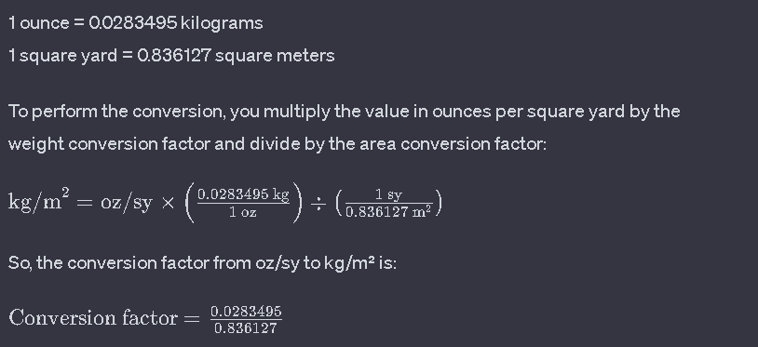
 | Surface area*Cd required: | 19.8697 | m^2
 | Length to half circumference ratio | 0.9 | 2L/C | To be deteremined from geometry
 | Mass per unit area | 3.5 | oz/sy
 | Mass per unit area | 0.105 | kg/m^2
 | Cost per unit area | $6.00 | $/m^3
 |  |  |  |  |  |  |  |  |  | 0.600 | ratio of req area/area chosen
 |  |  |  |  |  |  |  |  | Selected: | 33.116 | area
W/L Ratio | 0.4 | 0.375 | 0.35 | 0.333 | 0.325 | 0.3 | 0.275 | 0.25 | 0.275
Cd (overlap) | 0.60 | 0.60 | 0.60 | 0.60 | 0.60 | 0.60 | 0.60 | 0.60 | 0.60 |  | Need to empirically determine
Length (L) [m] | 10.535 | 10.703 | 10.903 | 11.061 | 11.141 | 11.423 | 11.759 | 12.160 | 11.759
Width (W) [m] | 4.214 | 4.014 | 3.816 | 3.683 | 3.621 | 3.427 | 3.234 | 3.040 | 3.234

Half virtual circ [m] | 9.482 | 9.633 | 9.813 | 9.954 | 10.027 | 10.281 | 10.583 | 10.944 | 10.583
Effective diameter (D) [m] | 5.433 | 5.519 | 5.622 | 5.703 | 5.745 | 5.891 | 6.064 | 6.270 | 6.064

Material area (overlap) [m^2] | 88.793 | 85.914 | 83.215 | 81.475 | 80.681 | 78.297 | 76.049 | 73.927 | 76.049
Mass per chute [kg] | 9.323 | 9.021 | 8.738 | 8.555 | 8.472 | 8.221 | 7.985 | 7.762 | 7.985
Material cost per chute [$] | 55.940 | 54.126 | 52.426 | 51.329 | 50.829 | 49.327 | 47.911 | 46.574 | 456.295

Material area (no overlap) [m^2] | 71.035 | 69.805 | 68.653 | 67.910 | 67.570 | 66.552 | 65.592 | 64.686 | 65.592
Mass per chute [kg] | 7.459 | 7.330 | 7.209 | 7.131 | 7.095 | 6.988 | 6.887 | 6.792 | 6.887
Material cost per chute [$] | 426.209 | 418.831 | 411.916 | 407.457 | 405.423 | 399.313 | 393.555 | 388.117 | 393.555

All parameters for individual drogue chutes

 | Surface area*Cd required: | 0.460 | m^2
 | Length to half circumference | 0.9 | L
 | Mass per unit area | 3.5 | oz/sy
 | Mass per unit area | 0.105 | kg/m^2
 | Cost per unit area | $6.00 | $/m^3
 |  |  |  |  |  |  |  |  |  | 0.600
 |  |  |  |  |  |  |  |  | Selected: | 0.76657906567
W/L Ratio | 0.4 | 0.375 | 0.35 | 0.333 | 0.325 | 0.3 | 0.275 | 0.25 | 0.275
Cd (overlap) | 0.60 | 0.60 | 0.60 | 0.60 | 0.60 | 0.60 | 0.60 | 0.60 | 0.60
Length (L) [m] | 1.603 | 1.628 | 1.659 | 1.683 | 1.695 | 1.738 | 1.789 | 1.850 | 1.789
Width (W) [m] | 0.641 | 0.611 | 0.581 | 0.560 | 0.551 | 0.521 | 0.492 | 0.463 | 0.492

Half virtual circ [m] | 1.443 | 1.466 | 1.493 | 1.515 | 1.526 | 1.564 | 1.610 | 1.665 | 1.610
Effective diameter (D) [m] | 0.827 | 0.840 | 0.855 | 0.868 | 0.874 | 0.896 | 0.923 | 0.954 | 0.923

Material area (overlap) [m^2] | 2.055 | 1.989 | 1.926 | 1.886 | 1.868 | 1.812 | 1.760 | 1.711 | 1.760
Mass per chute [kg] | 0.216 | 0.209 | 0.202 | 0.198 | 0.196 | 0.190 | 0.185 | 0.180 | 0.185
Material cost per chute [$] | 1.295 | 1.253 | 1.214 | 1.188 | 1.177 | 1.142 | 1.109 | 1.078 | 10.562

Material area (no overlap) [m^2] | 1.644 | 1.616 | 1.589 | 1.572 | 1.564 | 1.541 | 1.518 | 1.497 | 1.518
Mass per chute [kg] | 0.173 | 0.170 | 0.167 | 0.165 | 0.164 | 0.162 | 0.159 | 0.157 | 0.159
Material cost per chute [$] | 9.866 | 9.695 | 9.535 | 9.432 | 9.385 | 9.243 | 9.110 | 8.984 | 9.110

